Login test case
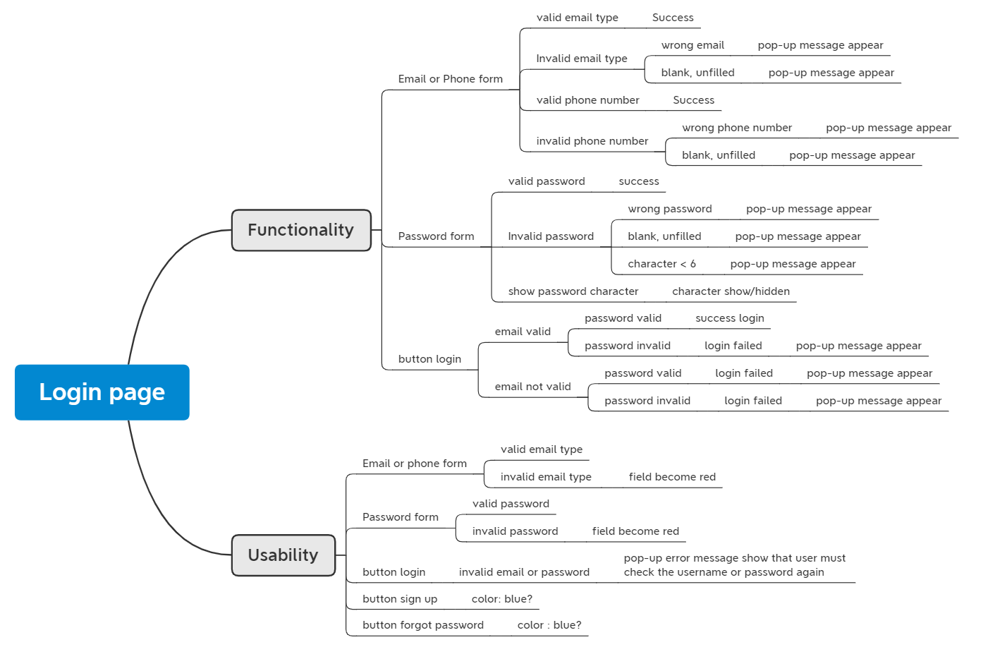
No | Scenario Name | Preconditions | Steps | Priority | Expected Result | Actual Result
1 | User login with valid email & password | Given User is on moka start page | And User input email "agung.smp1@gmail.com" on email form |  | PASS | PASS
 |  | When User click sign in button on moka start page | And User input password "takawur27" on password form
 |  |  | And User click signIn button
 |  |  | Then user see main page
2 | User login with valid email but wrong password | Given User is on moka start page | And User input email "agung.smp1@gmail.com" on email form |  | FAIL | FAIL
 |  | When User click sign in button on moka start page | And User input password "000mantapjiwa" on password form
 |  |  | And User click signIn button
 |  |  | Then user see main page
3 | User login with wrong email but valid password | Given User is on moka start page | And User input email "agung.ganteng@gmail.com" on email form |  | FAIL | FAIL
 |  | When User click sign in button on moka start page | And User input password "takawur27" on password form
 |  |  | And User click signIn button
 |  |  | Then user see main page
4 | User login with wrong email & password | Given User is on moka start page | And User input email "agung.ganteng@gmail.com" on email form |  | FAIL | FAIL
 |  | When User click sign in button on moka start page | And User input password "000mantapjiwa" on password form
 |  |  | And User click signIn button
 |  |  | Then user see main page

Checkout test case
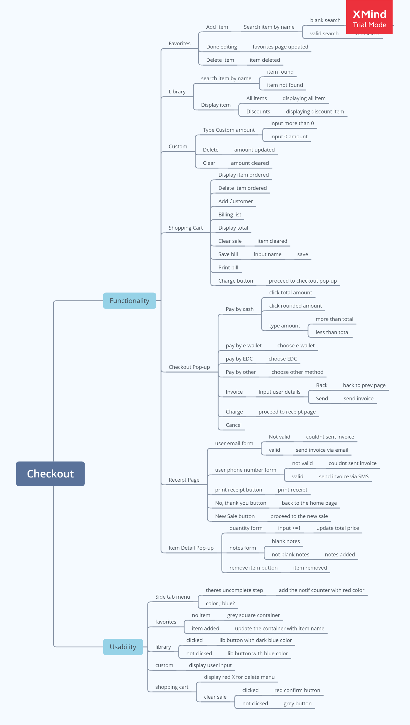
No | Scenario Name | Preconditions | Steps | Priority | Expected Result | Actual Result
1 | User create checkout with 1 item and 1 quantity | Given User is on moka start page | When User click "Expresso" on favourite menu 1 times |  | PASS | PASS
 |  | When User click sign in button on moka start page | And User see the "Expresso" on shopping cart
 |  | And User input email "agung.smp1@gmail.com" on email form | And User click charge button on shopping cart
 |  | And User input password "takawur27" on password form | And User choose cash option with exact amount to be paid
 |  | And User click signIn button | And User click charge button on checkout pop-up
 |  | And user see main page | Then User see the receipt page
 |  |  | And User click No thank you button
2 | User create checkout with 1 item and 4 quantity | Given User is on moka start page | When User click "Black coffee" on favourite menu 4 times |  | PASS | PASS
 |  | When User click sign in button on moka start page | And User see the "Black coffee" on shopping cart
 |  | And User input email "agung.smp1@gmail.com" on email form | And User click charge button on shopping cart
 |  | And User input password "takawur27" on password form | And User choose cash option with exact amount to be paid
 |  | And User click signIn button | And User click charge button on checkout pop-up
 |  | And user see main page | Then User see the receipt page
 |  |  | And User click No thank you button
3 | User create checkout with 4 item, 1 quantity each | Given User is on moka start page | When User click "Expresso" on favourite menu 1 times |  | PASS | PASS
 |  | When User click sign in button on moka start page | And User see the "Expresso" on shopping cart
 |  | And User input email "agung.smp1@gmail.com" on email form | And User click "Green Tea Latte" on favourite menu 1 times
 |  | And User input password "takawur27" on password form | And User see the "Green Tea Latte" on shopping cart
 |  | And User click signIn button | And User click "Cappucino" on favourite menu 1 times
 |  | And user see main page | And User see the "Cappucino" on shopping cart
 |  |  | And User click "Mochacino" on favourite menu 1 times
 |  |  | And User see the "Mochacino" on shopping cart
 |  |  | And User click charge button on shopping cart
 |  |  | And User choose cash option with exact amount to be paid
 |  |  | And User click charge button on checkout pop-up
 |  |  | Then User see the receipt page
 |  |  | And User click No thank you button
4 | User create checkout with 4 item, 5 quantity each | Given User is on moka start page | When User click "Expresso" on favourite menu 5 times |  | PASS | PASS
 |  | When User click sign in button on moka start page | And User see the "Expresso" on shopping cart
 |  | And User input email "agung.smp1@gmail.com" on email form | And User click "Green Tea Latte" on favourite menu 5 times
 |  | And User input password "takawur27" on password form | And User see the "Green Tea Latte" on shopping cart
 |  | And User click signIn button | And User click "Cappucino" on favourite menu 5 times
 |  | And user see main page | And User see the "Cappucino" on shopping cart
 |  |  | And User click "Mochacino" on favourite menu 5 times
 |  |  | And User see the "Mochacino" on shopping cart
 |  |  | And User click charge button on shopping cart
 |  |  | And User choose cash option with exact amount to be paid
 |  |  | And User click charge button on checkout pop-up
 |  |  | Then User see the receipt page
 |  |  | And User click No thank you button

